ASYNC AWAIT
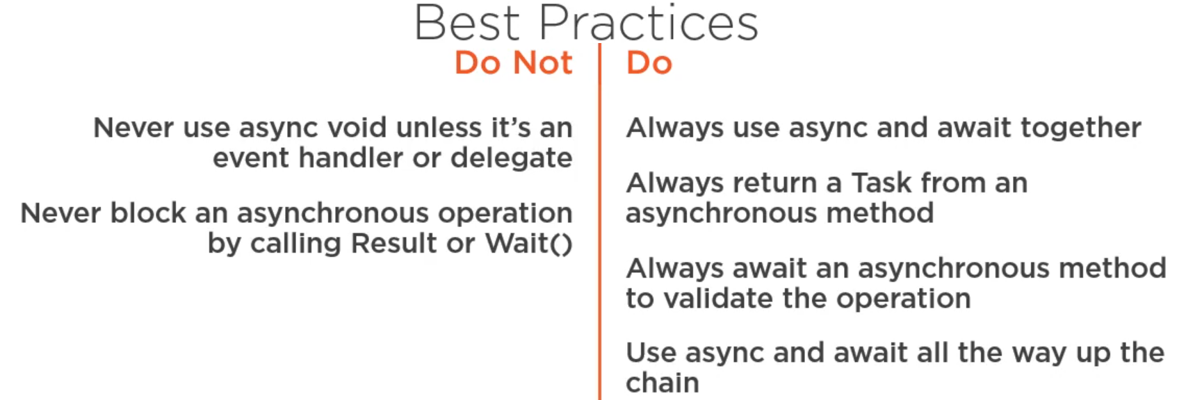
Getting Started with Asynchronous Programming in .NET (C# - INTERMEDIATE)

 | WHAT IS SYNCHRONOUS
 | Being synchronous means that it's going to run everything here on the same thread as our application UI.
 | Example - old legacy WebClient
 |  | D:\R\git\all-languages\all-languages\C#\Sync vs Async\Async_Await\1_Synchronous\StockAnalyzer.sln

 | WHAT IS ASYNCHRONOUS
 | asynchronous principles, which means that we can offload work to a different thread to go ahead and load all this information from the API without locking up the UI thread of our application.
 | Example - HttpClient, which only allows us to perform asynchronous operations against our web resources.
 |  | we can go ahead and use the HttpClient to go ahead and get all the information for the stocks for our particular ticker now because GetAsync is an asynchronous operation.
 |  | This means that the operation will NOT lock up the current thread.

 |  | You'll also notice here that we are introducing the async and await keywords. for us to indicate that we want to get back to this part of the code once the data is loaded from out API.
 |  | The async keyword is a way for us to indicate that this method here will contain asynchronous operations.
 |  | The await keyword is a way for us to indicate that we want to get back to this part of the code once the data is loaded from out API.

 |  | So essentially, the biggest reason for introducing asynchronous principles is to improve the experience for your users by relieving work from the current thread, which in most cases could be the UI thread.
 |  | D:\R\git\all-languages\all-languages\C#\Sync vs Async\Async_Await\2_Asyncronous_using_Async_Await\StockAnalyzer.sln

 | DIFFERENT TYPES OF PERFORMING ASYNCHRONOUS OPERATIONS
 | Traditionally, we had different ways of working with multi-threaded approaches in our applications.
 | We could of course have used the lower-level threading in our applications, or
 | we could leverage something like the background worker, which is an event-based asynchronous pattern.
 | Nowadays, most people used to Task Parallel Library coupled with the async and await keywords.
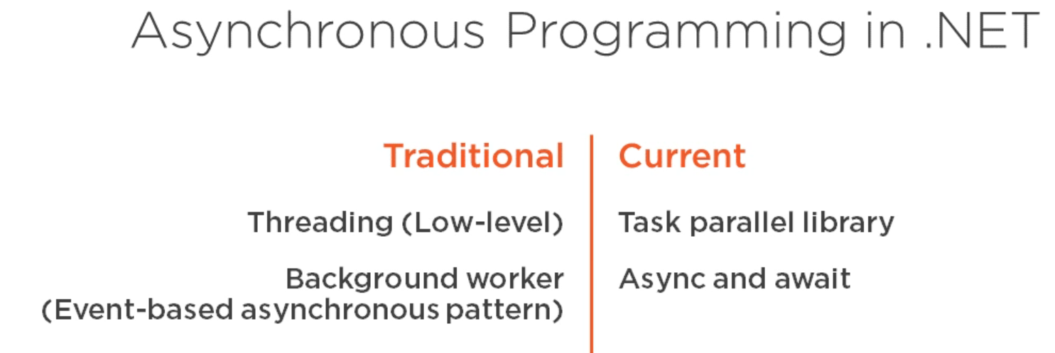

 | WHAT IS ASYNC & AWAIT keywords

 | ASYNC - The async keyword is a way for us to indicate that this method here will contain asynchronous operations.

 |  | SCENARIO 1 - if a method contains ASYNC keyword and it hasn't used AWAIT keyword then the above warning is showing as that the method runs synchronously though you used ASYNC keyword
 |  |  | ASYNC and AWAIT keywords work in conjunction.

 | AWAIT = The await keyword is a way for us to indicate that we want to get the Result out of this asynchronous operation only once the data is available without blocking the current thread.

 | NOTE: Nowadays, a lot of people don't suffix their methods with the async keyword because a lot of IDEs will hint to you that you need to await this and that it's in fact returning a task.

 | So instead of the .RESULT (or) .WAIT, always use AWAIT

 | IS IT USEFUL TO USE ASYNC / AWAIT KEYWORDS IN ASP.NET APPLICATIONS?
 | So the big benefit of using async and await inside ASP.NET is to relieve IIS or the web server that you were using so that it can go ahead and work with other requests as your data is being loaded from disk, the database, or from another API.

 | WHAT TYPE OF WORKS(OPERATIONS) ARE ASYNC / AWAIT KEYWORD SUITABLE FOR?

 | DISK
 | MEMORY
 | WEB/API
 | DATABASE

 | WHAT WORKS ARE DONE BY AWAIT KEYWORD?

 | await keyword, as we've mentioned earlier, allows us to retrieve the result out of our asynchronous operation when that's available.

 | It also makes sure that there is no exceptions or problems with the Task that it's currently awaiting.

 | What it's also doing is introducing something called a continuation. A continuation is the block of code that's being executed after the await keyword.

 | CREATE YOUR OWN ASYNC METHOD
 |  | Marking a method as async indicates that this method will have the capability of executing asynchronous operation that we are then awaiting inside the same context.

 |  | Async void is pretty much evil and is something that you should always avoid if you can. Instead, mark this as async Task. Marking this as async Task means that the method will in fact automatically return a reference to the ongoing operation.
 |  | The only time you're allowed to do async void is for your event handlers. If you want to have asynchronous code inside your event handlers, the delegate for an event is most certainly returning void.

 |  | we are not getting any compilation errors, That's because whenever we mark something as async and the return type is of Task, we don't have to return anything because compiler will do all of that for us.
 |  | And it's marked as async Task because that allows us to use the await keyword, as well as then getting a reference to the ongoing operation whenever we call this method.
 |  | Task is just the ongoing ASYNCHRONOUS operation.
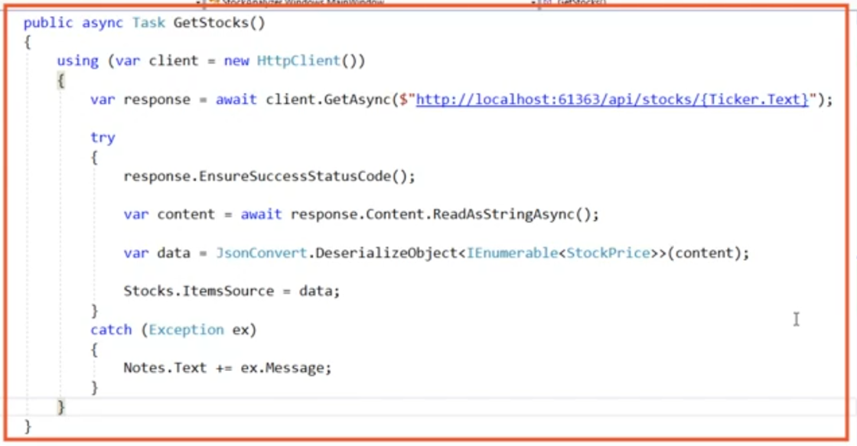

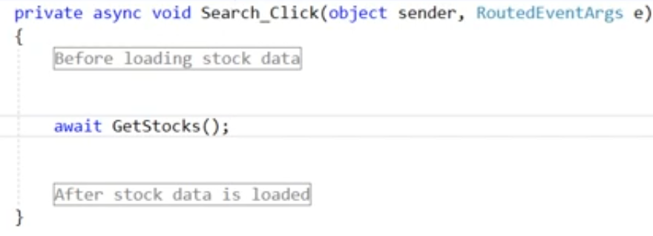

 | BEST PRACTICES OF AYSNC & AWAIT, DO and DONT'S

